Filteren
Top 2000 database

Hoe om te gaan met zoeken en filteren in overzicht?

Een korte uitleg:

In de tabel zie je bij elke kolom een icoontje met een pijltje naar beneden. Wanneer je hierop drukt
krijg je het volgende scherm:

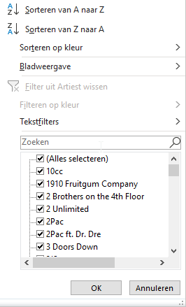

Hiermee kun je filteren en zoeken naar een artiest of groep naar keuze.
Met de knop tekstfilter kun je zoeken naar bepaalde stukken tekst.
Zoeken naar Queen levert dan ook het nummer 'Under Pressure' op, waarin werd samengewerkt
met David Bowie.

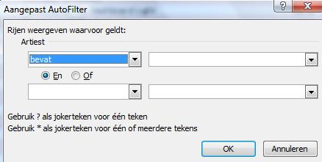

En zo kun je zoeken op alle artiesten, nummers, maar ook selecteren op
jaartal. Welk liedjes uit jouw geboortejaar hebben in de Top 2000 gestaan.
En daarnaast kun je met de sorteerfunctie sorteren naar keuze.
Sorteer de lijst op basis van jaartallen, of op de Top 2000 van 1999.
Het kan allemaal!

